settings
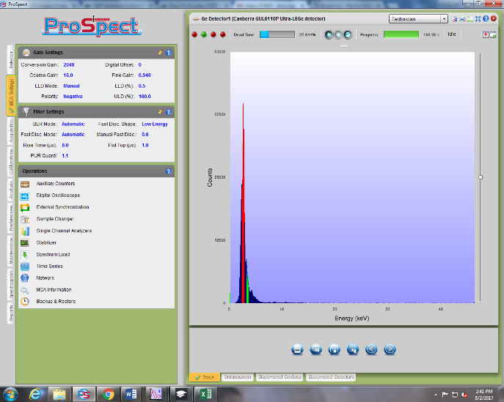
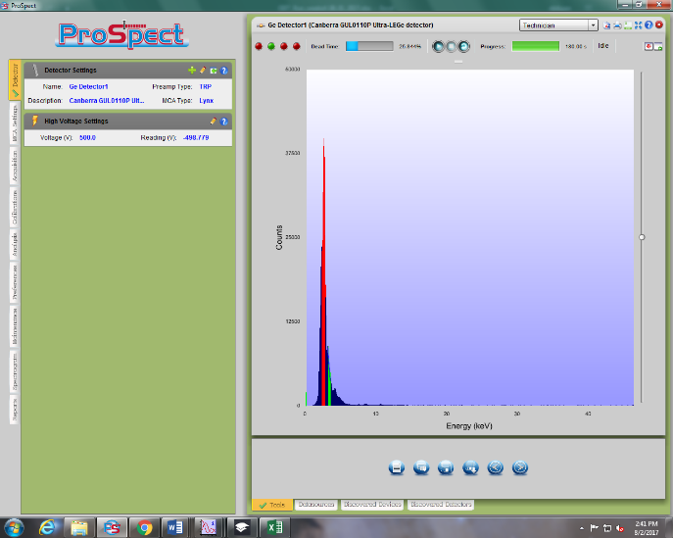
 | Screenshots below are Ge detector settings on Day 2. Low energy was cutoff so some settings were altered.
EBIT settings
Beam line Pressure (Torr)
e- gun pressure (Torr)
crystal spectrometer (Torr)
Mevva section (Torr)
Big 3 (Torr)
Bender #1 (Torr)
Bender #2 (Torr)
Mirror Chamber; Cathode (Torr)
Grating Chamber; Cathode (Torr)
Mirror Chamber (Torr)
Grating Chamber (Torr)
Gas injection pressure (Torr)
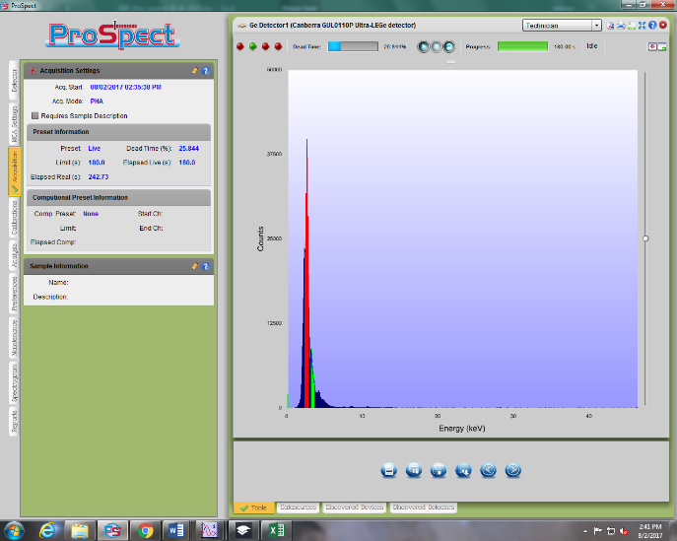
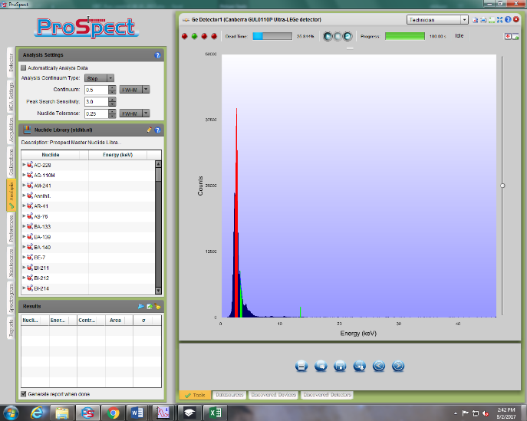
Super Magnet resistance (Ohm)

Focus (v)
suppressor (v)
einzel lens (v)
extractor (v)
Transition (v)
filament (v)
filament (amp)
TC1 (collector exhaust) °F
UDT (v)
LDT (v)
MDT (v)
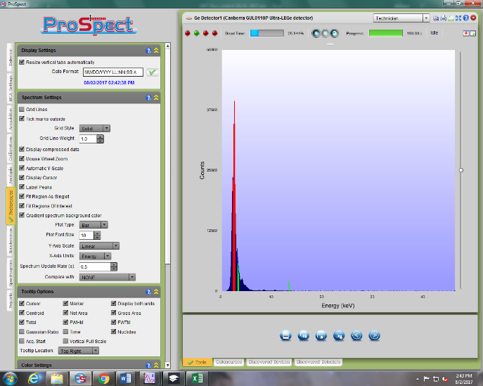
Collector magnet voltage (V)
collector magnet current (A)
SC magnet current (A)
Bucking coil voltage (v)
snout (μA)
collector voltage (2kV)

Day 3 (8_3)
EUV CCD position |  |  | conversion | Energy | Labview set
1.25 |  |  | 0.33195604396 | 7.5 | 2.4896703297
 | file name |  |  |  |  | collection tme
Element | EUV | Ge | Crystal | Shield Voltage (kV) | Electron beam current (mA) | Ge (s) | EUV (min) | crystal (sec) | cooking(s) | crystal angle | Note | Encoder | total counts left W | centroid | total counts right w | centroid | Labview setting
BG | EUV025 | X025 | SX025 | 9.1 | 145 | 180 | 5 | 180 | 5 | 0.6028 |  | -16375 |  |  |  |  | 3.0208
BG | EUV025_1 | X025_1 | SX025_1 | 9.1 | 145 | 180 | 5 | 180 | 5 | 0.6028 |  | -16375 |  |  |  |  | 3.0208
W | EUV026 | X026 | SX026 | 9.1 | 145 | 180 | 5 | 180 | 5 | 0.6028 |  | -16375 | 253571 |  | 98142 |  | 3.0208
W | EUV026_1 | X026-1 | SX026_1 | 9.1 | 145 | 180 | 5 | 180 | 5 | 0.6028 |  | -16375 |  |  |  |  | 3.0208
W | EUV026_2 | X026-2 | SX026_2 | 9.1 | 145 | 180 | 5 | 180 | 5 | 0.6028
W | EUV026_3 | X026-3 | SX026_3 | 9.1 | 145 | 180 | 5 | 180 | 5 | 0.6028 |  |  |  |  |  |  | 0.33195604396
W | EUV026_4 | X026-4 | SX026_4 | 9.1 | 145 | 180 | 5 | 180 | 5 | 0.6028 |  |  |  |  |  |  | 2.4896703297
W | EUV026_5 | X026-5 | SX026_5 | 9.1 | 145 | 180 | 5 | 180 | 5 | 0.6028 |  |  |  |  |  |  | 3.1701802198
W | EUV026_6 | X026-6 | SX026_6 | 9.1 | 145 | 180 | 5 | 180 | 5 | 0.6028 |  |  |  |  |  |  | 2.5062681319
W | EUV026_7 | X026-7 | SX026_7 | 9.1 | 145 | 180 | 5 | 180 | 5 | 0.6028
W | EUV026_8 | X026-8 | SX026_8 | 9.1 | 145 | 180 | 5 | 180 | 5 | 0.6028
W | EUV026_9 | X026-9 | SX026_9 | 9.1 | 145 | 180 | 5 | 180 | 5 | 0.6028
W | EUV026_10 | X026-10 | SX026_10 | 9.1 | 145 | 180 | 5 | 180 | 5 | 0.6028
W | NA | X026-11 | SX026_11 | 9.1 | 145 | 180 | 5 | 180 | 5 | 0.6028
W | EUV027 | x027 | sx027 | 9.05 | 141.8 | 180 | 5 | 180 | 5 | 0.6028
W | EUV028 | x028 | NA | 9.15 | 140 | 180 | 5 | 180 | 5 | 0.6028
W | NA | x029 | NA | 8.5 | 140 | 60 | - | - | 5 | 0.6028 |  |  | 19776
W | NA | x030 | NA | 8.6 | 140 | 60 | - | - | 5 | 0.6028 |  |  | 19394
W | NA | x031 | NA | 8.7 | 140 | 60 | - | - | 5 | 0.6028 |  |  | 18481
W | NA | x032 | NA | 8.8 | 140 | 60 | - | - | 5 | 0.6028 |  |  | 17682
W | NA | x033 | NA | 8.9 | 140 | 60 | - | - | 5 | 0.6028 |  |  | 15751
W | NA | x034 | NA | 8.95 | 140 | 60 | - | - | 5 | 0.6028 |  |  | 16385
W | NA | x035 | NA | 9 | 140 | 60 | - | - | 5 | 0.6028 |  |  | 15801
W | NA | x036 | NA | 9.05 | 140 | 60 | - | - | 5 | 0.6028 |  |  | 17717
W | NA | x037 | NA | 9.1 | 140 | 60 | - | - | 5 | 0.6028 |  |  | 15381
W | NA | x038 | NA | 9.15 | 140 | 60 | - | - | 5 | 0.6028 |  |  | 16867
W | NA | x039 | NA | 9.2 | 140 | 60 | - | - | 5 | 0.6028 |  |  | 15414
W | NA | x040 | NA | 9.25 | 140 | 60 | - | - | 5 | 0.6028 |  |  | 13778
W | NA | x041 | NA | 9.3 | 140 | 60 | - | - | 5 | 0.6028 |  |  | 13867
W | NA | x042 | NA | 9.35 | 140 | 60 | - | - | 5 | 0.6028 |  |  | 15885
W | NA | x043 | NA | 9.4 | 140 | 60 | - | - | 5 | 0.6028 |  |  | 15372
W | NA | x044 | NA | 9.45 | 140 | 60 | - | - | 5 | 0.6028 |  |  | 13435
W | NA | x045 | NA | 9.5 | 140 | 60 | - | - | 5 | 0.6028 |  |  | 13801
W | NA | x046 | NA | 9.55 | 140 | 60 | - | - | 5 | 0.6028 |  |  | 13648
W | NA | NA | NA | 9.6 | 140 | 60 | - | - | 5 | 0.6028 |  |  | 13853
W | NA | x047 | NA | 9.65 | 140 | 60 | - | - | 5 | 0.6028 |  |  | 14698
W | NA | x048 | NA | 9.72 | 140 | 60 | - | - | 5 | 0.6028 |  |  | 15093
W | NA | x049 | NA | 9.75 | 140 | 60 | - | - | 5 | 0.6028 |  |  | 17652
W | NA | x050 | NA | 9.8 | 140 | 60 | - | - | 5 | 0.6028 |  |  | 14169
W | NA | x051 | NA | 9.85 | 140 | 60 | - | - | 5 | 0.6028 |  |  | 14663
W | NA | x052 | NA | 9.9 | 140 | 60 | - | - | 5 | 0.6028 |  |  | 15345
W | NA | x053 | NA | 9.93 | 140 | 60 | - | - | 5 | 0.6028 |  |  | 13955
W | NA | x054 | NA | 9.99 | 140 | 60 | - | - | 5 | 0.6028 |  |  | 15590
W | NA | x055 | NA | 10.05 | 140 | 60 | - | - | 5 | 0.6028 |  |  | 13883
W | NA | x056 | NA | 10.09 | 140 | 60 | - | - | 5 | 0.6028 |  |  | 12671
W | NA | x057 | NA | 10.14 | 140 | 60 | - | - | 5 | 0.6028 |  |  | 12650
W | NA | x058 | NA | 9.4 | 140 | 60 | - | - | 5 | 0.6028
W | NA | x059 | NA | 7.5 | 140 | 60 | - | - | 5 | 0.6028 |  |  | 20814
W | NA | x060 | NA | 7.6 | 140 | 60 | - | - | 5 | 0.6028 |  |  | 18954
W | NA | X061 | NA | 7.7 | 140 | 60 | - | - | 5 | 0.6028 |  |  | 19658
W | NA | X062 | NA | 7.8 | 140 | 60 | - | - | 5 | 0.6028 |  |  | 18344
W | NA | X063 | NA | 7.9 | 140 | 60 | - | - | 5 | 0.6028 |  |  | 23164
W | NA | X064 | NA | 8 | 140 | 60 | - | - | 5 | 0.6028 |  |  | 20935
W | NA | X065 | NA | 8.1 | 140 | 60 | - | - | 5 | 0.6028 |  |  | 21110
W | NA | X066 | NA | 8.2 | 140 | 60 | - | - | 5 | 0.6028 |  |  | 17481
W | NA | X067 | NA | 8.3 | 140 | 60 | - | - | 5 | 0.6028 |  |  | 16477
W | NA | X068 | NA | 8.4 | 140 | 60 | - | - | 5 | 0.6028 |  |  | 17023
W | NA | X069 | NA | 8.5 | 140 | 60 | - | - | 5 | 0.6028 |  |  | 17668
W | NA | X070 | NA | 8.1 | 140 | 60 | - | - | 5 | 0.6028 |  |  | 25463
W | EUV071 | X071 | sx071 | 7.8 | 140 | 180 | 5 | 180 | 5 | 0.6028
W | EUV071_1 | x071_1 | sx071_1 | 7.8 | 140 | 180 | 5 | 180 | 5 | 0.6028
W | EUV071_2 | x071_2 | sx071_2 | 7.8 | 140 | 180 | 5 | 180 | 5 | 0.6028
W | EUV071_3 | x071_3 | sx071_3 | 7.8 | 140 | 180 | 5 | 180 | 5 | 0.6028
W | EUV071_4 | x071_4 | sx071_4 | 7.8 | 140 | 180 | 5 | 180 | 5 | 0.6028
W | EUV071_5 | x071_5 | sx071_5 | 7.8 | 140 | 180 | 5 | 180 | 5 | 0.6028
W | EUV072 | X072 | sx072 | 7.9 | 140 | 180 | 5 | 180 | 5 | 0.6028
BG | EUV073 | X073 | sx073 | 7.8 | 140 | 180 | 5 | 180 | 5 | 0.6028
BG | EUV073_1 | X073_1 | sx073_1 | 7.8 | 140 | 180 | 5 | 180 | 5 | 0.6028
BG | EUV074 | x074 | sx074 | 7.9 | 140 | 180 | 5 | 180 | 5 | 0.6028
BG | NA | x074_1 | sx074_1 | 7.9 | 140 | 180 | 5 | 180 | 5 | 0.6028
W | EUV075 | x075 | sx075 | 7.9 | 140 | 180 | 5 | 180 | 5 | 0.6028
W | EUV075_1 | x075_1 | sx075_1 | 7.9 | 139.9 | 180 | 5 | 180 | 5 | 0.6028
W | EUV075_2 | x075_2 | sx075_2 | 7.9 | 139.9 | 180 | 5 | 180 | 5 | 0.6028
W | EUV075_3 | x075_3 | sx075_3 | 7.9 | 139.9 | 180 | 5 | 180 | 5 | 0.6028
W | EUV075_4 | x075_4 | sx075_4 | 7.9 | 139.9 | 180 | 5 | 180 | 5 | 0.6028
W | - | x075_5 | sx075_5 | 7.9 | 139.9 | 180 | 5 | 180 | 5 | 0.6028
W | EUV076 | x076 | sx076 | 9.19 | 139.9 | 180 | 5 | 180 | 5 | 0.6028 | crystal spectrometer may be named sx075_6 when it is actually sx076. We don't know.
W | EUV076_1 | x076_1 | NA | 9.19 | 139.9 | 180 | 5 | 180 | 5 | 0.6028
W | EUV076_2 | x076_2 | sx076_1 | 9.19 | 139.9 | 180 | 5 | 180 | 5 | 0.6028
W | EUV076_3 | x076_3 | sx076_2 | 9.19 | 139.9 | 180 | 5 | 180 | 5 | 0.6028
W | EUV076_4 | x076_4 | sx076_3 | 9.19 | 139.9 | 180 | 5 | 180 | 5 | 0.6028
W | EUV076_5 | x076_5 | sx076_4 | 9.19 | 139.9 | 180 | 5 | 180 | 5 | 0.6028
W | EUV076_6 | - | sx076_5 | 9.19 | 139.9 | 180 | 5 | 180 | 5 | 0.6028
W | - | - | sx076_6 | 9.19 | 139.9 | 180 | 5 | 180 | 5 | 0.6028
W | EUV076_7 | x076_7 | sx076_7 | 9.19 | 139.9 | 180 | 5 | 180 | 5 | 0.6028
BG | EUV077 | - | sx077 | 9.19 | 139.9 | 180 | 5 | 180 | 5 | 0.6028
BG | EUV077_1 | - | sx077_1 | 9.19 | 139.9 | 180 | 5 | 180 | 5 | 0.6028
BG | EUV078 | x078 | sx078 | 9.29 | 139.8 | 180 | 5 | 180 | 5 | 0.6028
BG | - | x078_1 | sx078_1 | 9.29 | 139.8 | 180 | 5 | 180 | 5 | 0.6028
W | EUV079 | x079 | sx079 | 9.29 | 139.8 | 180 | 5 | 180 | 5 | 0.6028
W | EUV079_1 | x079_1 | sx079_1 | 9.29 | 139.8 | 180 | 5 | 180 | 5 | 0.6028
W | EUV079_2 | x079_2 | sx079_2 | 9.29 | 139.8 | 180 | 5 | 180 | 5 | 0.6028
W | EUV079_3 | x079_3 | sx079_3 | 9.29 | 139.8 | 180 | 5 | 180 | 5 | 0.6028
W | EUV079_4 | x079_4 | sx079_4 | 9.29 | 139.8 | 180 | 5 | 180 | 5 | 0.6028
W | EUV079_5 | x079_5 | sx079_5 | 9.29 | 139.8 | 180 | 5 | 180 | 5 | 0.6028
W | EUV079_6 | x079_6 | sx079_6 | 9.29 | 139.8 | 180 | 5 | 180 | 5 | 0.6028
W | EUV079_7 | x079_7 | sx079_7 | 9.29 | 139.8 | 180 | 5 | 180 | 5 | 0.6028
BG | EUV080 | x080 | sx080 | 9.39 | 139.8 | 180 | 5 | 180 | 5 | 0.6028
BG | EUV080_1 | x080_1 | sx080_1 | 9.39 | 139.8 | 180 | 5 | 180 | 5 | 0.6028
W | EUV081 | x081 | sx081 | 9.39 | 139.8 | 180 | 5 | 180 | 5 | 0.6028
W | EUV081_1 | x081_1 | sx081_1 | 9.39 | 139.8 | 180 | 5 | 180 | 5 | 0.6028
W | EUV081_2 | x081_2 | sx081_2 | 9.39 | 139.8 | 180 | 5 | 180 | 5 | 0.6028
W | EUV081_3 | x081_3 | sx081_3 | 9.39 | 139.8 | 180 | 5 | 180 | 5 | 0.6028
W | EUV081_4 | x081_4 | sx081_4 | 9.39 | 139.8 | 180 | 5 | 180 | 5 | 0.6028
W | EUV081_5 | x081_5 | sx081_5 | 9.39 | 139.8 | 180 | 5 | 180 | 5 | 0.6028
W | EUV081_6 | x081_6 | sx081_6 | 9.39 | 139.8 | 180 | 5 | 180 | 5 | 0.6028
W | EUV082 | x082 | sx082 | 9.51 | 139.8 | 180 | 5 | 180 | 5 | 0.6028
W | EUV082_1 | x082_1 | sx082_1 | 9.51 | 139.8 | 180 | 5 | 180 | 5 | 0.6028
W | EUV082_2 | x082_2 | sx082_2 | 9.51 | 139.8 | 180 | 5 | 180 | 5 | 0.6028
W | EUV082_3 | x082_3 | sx082_3 | 9.51 | 139.8 | 180 | 5 | 180 | 5 | 0.6028
W | EUV082_4 | x082_4 | sx082_4 | 9.51 | 139.8 | 180 | 5 | 180 | 5 | 0.6028
W | EUV082_5 | x082_5 | sx082_5 | 9.51 | 139.8 | 180 | 5 | 180 | 5 | 0.6028
W | EUV082_6 | x082_6 | sx082_6 | 9.51 | 139.8 | 180 | 5 | 180 | 5 | 0.6028
BG | EUV083 | x083 | sx083 | 9.51 | 139.8 | 180 | 5 | 180 | 5 | 0.6028
BG | - | x083_1 | sx083_1 | 9.51 | 139.8 | 180 | 0 | 180 | 5 | 0.6028
BG | EUV084 | x084 | sx084 | 9.6 | 139.8 | 180 | 5 | 180 | 5 | 0.6028
BG | EUV084_1 | x084_1 | sx084_1 | 9.6 | 139.8 | 180 | 5 | 180 | 5 | 0.6028
W | EUV085 | x085 | sx085 | 9.6 | 139.8 | 180 | 5 | 180 | 5 | 0.6028
W | EUV085_1 | x085_1 | sx085_1 | 9.6 | 139.8 | 180 | 5 | 180 | 5 | 0.6028
W | EUV085_2 | x085_2 | sx085_2 | 9.6 | 139.8 | 180 | 5 | 180 | 5 | 0.6028
W | EUV085_3 | x085_3 | sx085_3 | 9.6 | 139.8 | 180 | 5 | 180 | 5 | 0.6028
W | EUV085_4 | x085_4 | sx085_4 | 9.6 | 139.8 | 180 | 5 | 180 | 5 | 0.6028
W | EUV085_5 | x085_5 | sx085_5 | 9.6 | 139.8 | 180 | 5 | 180 | 5 | 0.6028
BG | EUV086 | x086 | sx086 | 9.7 | 139.8 | 180 | 5 | 180 | 5 | 0.6028
BG | - | x086_1 | sx086_1 | 9.7 | 139.8 | 180 | 5 | 180 | 5 | 0.6028
W | EUV087 | x087 | sx087 | 9.7 | 139.8 | 180 | 5 | 180 | 5 | 0.6028
W | EUV087_1 | x087_1 | sx087_1 | 9.7 | 139.8 | 180 | 5 | 180 | 5 | 0.6028
W | EUV087_2 | x087_2 | sx087_2 | 9.7 | 139.8 | 180 | 5 | 180 | 5 | 0.6028
W | EUV087_3 | x087_3 | sx087_3 | 9.7 | 139.8 | 180 | 5 | 180 | 5 | 0.6028
W | EUV087_4 | x087_4 | sx087_4 | 9.7 | 139.8 | 180 | 5 | 180 | 5 | 0.6028
W | EUV087_5 | x087_5 | sx087_5 | 9.7 | 139.8 | 180 | 5 | 180 | 5 | 0.6028
BG | EUV088 | x088 | sx088 | 9.81 | 139.8 | 180 | 5 | 180 | 5 | 0.6028
BG | EUV088_1 | x088_1 | sx088_1 | 9.81 | 139.8 | 180 | 5 | 180 | 5 | 0.6028
W | EUV089 | x089 | sx089 | 9.81 | 139.8 | 180 | 5 | 180 | 5 | 0.6028
W | EUV089_1 | x089_1 | sx089 | 9.81 | 139.8 | 180 | 5 | 180 | 5 | 0.6028
W | EUV089_2 | x089_2 | sx090 | 9.81 | 139.8 | 180 | 5 | 180 | 5 | 0.6028
W | EUV089_3 | x089_3 | sx091 | 9.81 | 139.8 | 180 | 5 | 180 | 5 | 0.6028
W | EUV089_4 | x089_4 | sx092 | 9.81 | 139.8 | 180 | 5 | 180 | 5 | 0.6028
W | EUV089_5 | x089_5 | sx093 | 9.81 | 139.8 | 180 | 5 | 180 | 5 | 0.6028
BG | EUV090 | x090 | sx090 | 9.9 | 139.8 | 180 | 5 | 180 | 5 | 0.6028 |  | -16375
BG | EUV090_1 | x090_1 | sx090_1 | 9.9 | 139.8 | 180 | 5 | 180 | 5 | 0.6028
W | EUV091 | x091 | sx091 | 9.9 | 139.8 | 180 | 5 | 180 | 5 | 0.6028
W | EUV091_1 | x091_1 | SX091_1 | 9.9 | 139.8 | 180 | 5 | 180 | 5 | 0.6028
W | EUV091_2 | x091_2 | SX091_2 | 9.9 | 139.8 | 180 | 5 | 180 | 5 | 0.6028
W | EUV091_3 | x091_3 | SX091_3 | 9.9 | 139.8 | 180 | 5 | 180 | 5 | 0.6028
W | EUV091_4 | x091_4 | SX091_4 | 9.9 | 139.8 | 180 | 5 | 180 | 5 | 0.6028
W | EUV091_5 | x091_5 | SX091_5 | 9.9 | 139.8 | 180 | 5 | 180 | 5 | 0.6028
BG | EUV092 | x092 | sx092 | 9.99 | 139.8 | 180 | 5 | 180 | 5 | 0.6028
BG | EUV092_1 | x092_1 | sx092_1 | 9.99 | 139.8 | 180 | 5 | 180 | 5 | 0.6028 | 12:54am

